Model
Grand Pix Transportation Model

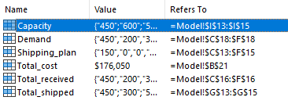
Unit shipping costs |  |  |  |  |  |  |  | Range names used
 |  | To
 |  | Region 1 | Region 2 | Region 3 | Region 4
From | Plant 1 | $131 | $218 | $266 | $120
 | Plant 2 | $250 | $116 | $263 | $278
 | Plant 3 | $178 | $132 | $122 | $180

Shipping plan and constraints on supply and demand
 |  | To
 |  | Region 1 | Region 2 | Region 3 | Region 4 | Total Shipped |  | Capacity
From | Plant 1 | 150 | 0 | 0 | 300 | 450 | <= | 450
 | Plant 2 | 100 | 200 | 0 | 0 | 300 | <= | 600
 | Plant 3 | 200 | 0 | 300 | 0 | 500 | <= | 500
 | Total received | 450 | 200 | 300 | 300
 |  | >= | >= | >= | >=
 | Demand | 450 | 200 | 300 | 300

Objective to minimize
Total Cost | $176,050 |  | 176050

